TP
d. 24 okt 24
Sampling dato | abs A | abs B | middel abs | µM/L | FF | mg TP L
15-Sep-24 | 0.017 | 0.018 | 0.018 | 0.90 | 1 | 0.028 | røg | d. 24 okt 24 | P std
30-Sep-24 | 0.025 | 0.025 | 0.025 | 1.33 | 1 | 0.041 | røg |  | abs A | abs B | middel | konc. tjek
0 | 0.02 | 0.02 | 0.02 | 1.05 | 1 | 0.032 | skjold | 0 | 0.001 | 0.000 | 0.001 | -0.1
0 | 0.038 | 0.028 | 0.033 | 8.92 | 5 | 0.276 | bunds | 0.25 | 0.004 | 0.003 | 0.004 | 0.1
 |  |  |  |  |  |  |  | 0.5 | 0.009 | 0.009 | 0.009 | 0.4
 |  |  |  |  |  |  |  | 1 | 0.018 | 0.018 | 0.018 | 1
 |  |  |  |  |  |  |  | 2 | 0.036 | 0.036 | 0.036 | 2
 |  |  |  |  |  |  |  | 3 | 0.055 | 0.055 | 0.055 | 3
 |  |  |  |  |  |  |  | 4 | 0.073 | 0.073 | 0.073 | 4
 |  |  |  |  |  |  |  | 5 | 0.092 | 0.092 | 0.092 | 5
 |  |  |  |  |  |  |  | 10 | 0.181 | 0.184 | 0.183 | 10
 |  |  |  |  |  |  |  | 20 | 0.361 | 0.352 | 0.357 | 20
 |  |  |  |  |  |  |  | 25 | 0.434 | 0.440 | 0.437 | 25
 |  |  |  |  |  |  |  |  | a | Stigning | 0.01760605111
 |  |  |  |  |  |  |  |  | b | Skæring | 0.0015792621782

SRP
d. 24 okt 24
Sampling dato | abs A | abs B | middel abs | µM/L | FF | mg SRP L
15-Sep-24 | 0.005 | 0.004 | 0.005 | 0.10 | 1 | 0.003 | d. 24 okt 24 | P std
30-Sep-24 | 0.003 | 0.004 | 0.0035 | 0.04 | 1 | 0.001 |  | abs A | abs B | middel | konc. tjek
0 |  |  |  |  |  |  | 0 | 0.001 | 0.001 | 0.001 | -0.1
0 |  |  |  |  |  |  | 0.25 | 0.005 | 0.005 | 0.005 | 0.1
0 |  |  |  |  |  |  | 0.5 | 0.010 | 0.011 | 0.010 | 0.4
0 |  |  |  |  |  |  | 1 | 0.020 | 0.020 | 0.020 | 1
0 |  |  |  |  |  |  | 2 | 0.039 | 0.040 | 0.040 | 2
0 |  |  |  |  |  |  | 3 | 0.060 | 0.060 | 0.060 | 3
 |  |  |  |  |  |  | 4 | 0.079 | 0.080 | 0.080 | 4
 |  |  |  |  |  |  | 5 | 0.100 | 0.101 | 0.101 | 5
 |  |  |  |  |  |  | 10 | 0.196 | 0.196 | 0.196 | 10
 |  |  |  |  |  |  | 20 | 0.382 | 0.381 | 0.382 | 20
 |  |  |  |  |  |  | 25 | 0.471 | 0.469 | 0.470 | 25
 |  |  |  |  |  |  |  | a | Stigning | 0.018856948122
 |  |  |  |  |  |  |  | b | Skæring | 0.0026700836689

Klo a
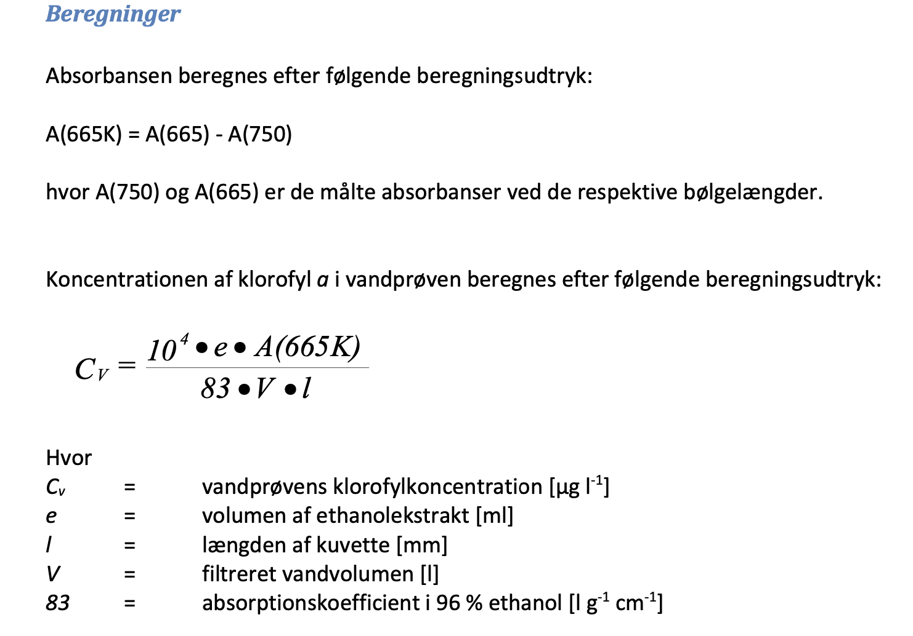
 | Filter A |  |  |  |  |  | Filter B |  |  |  |  |  | Filter C
Sampling dato | Filter vol (L) | Etanol vol (ml) | abs 655 | abs 750 | Delta abs | µg/L | Filter vol (L) | Etanol vol (ml) | abs 655 | abs 750 | Delta abs | µg/L | Filter vol (L) | Etanol vol (ml) | abs 655 | abs 750 | Delta abs | µg/L | Middel µg L
15-Sep-24 | 0.25 | 6 | 0.032 | 0.001 | 0.031 | 8.9 | 0.25 | 6 | 0.03 | 0.001 | 0.029 | 8.3 | 0.25 | 6 | 0.029 | 0.001 | 0.028 | 8.1 | 8.4
30-Sep-24 | 0.1 | 6 | 0.017 | 0.001 | 0.016 | 11.5 |  |  |  |  |  |  |  |  |  |  |  |  | 11.5
0 |  |  |  |  |  |  |  |  |  |  |  |  |  |  |  |  |  |  | #DIV/0!
0 |  |  |  |  |  |  |  |  |  |  |  |  |  |  |  |  |  |  | #DIV/0!
0 |  |  |  |  |  |  |  |  |  |  |  |  |  |  |  |  |  |  | #DIV/0!
0 |  |  |  |  |  |  |  |  |  |  |  |  |  |  |  |  |  |  | #DIV/0!
0 |  |  |  |  |  |  |  |  |  |  |  |  |  |  |  |  |  |  | #DIV/0!
0 |  |  |  |  |  |  |  |  |  |  |  |  |  |  |  |  |  |  | #DIV/0!

